Sheet1
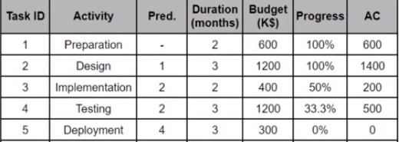
 |  | 1 | 2 | 3 | 4 | 5 | 6 | 7 | 8 | 9 | 10 | 11 | EV | CV | PV | SV

 |  | 300 | 300 |  |  |  |  |  |  |  |  |  | 600 | 0 | 600 | 0
 |  |  |  | 400 | 400 | 400 |  |  |  |  |  |  | 1200 | -200 | 1200 | 0
 |  |  |  |  |  |  | 200 | 200 |  |  |  |  | 200 | 0 | 400 | -200
 |  |  |  |  |  |  | 400 | 400 | 400 |  |  |  | 400 | -100 | 800 | -400
 |  |  |  |  |  |  |  |  |  | 100 | 100 | 100 | 0 | 0 | 0 | 0

Budget = 3700 K$ | PV = 3000K$
AC = 2700K$
EV = Budget * Progress = 2400K$
CV = EV - AC = -300K$
SV = EV - PV = -600K$
CPI = EV/AC= 88.88%
SPI = EV/PV = 80%
EAC =Budget/ CPI =4163K$

Project is over budget (300K$)

